Rotations (manually)
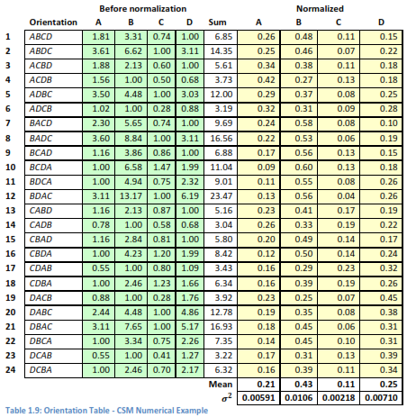
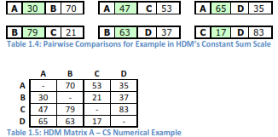
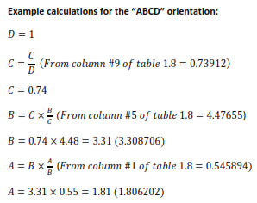
1 | 0.15 | 0.59 | 0.20 | 0.07 | 0.15 | 0.59 | 0.20 | 0.07 | 1.00
2 | 0.15 | 0.61 | 0.07 | 0.17 | 0.15 | 0.61 | 0.17 | 0.07 | 1.00
3 | 0.14 | 0.20 | 0.59 | 0.07 | 0.14 | 0.59 | 0.20 | 0.07 | 1.00
4 | 0.16 | 0.22 | 0.08 | 0.54 | 0.16 | 0.54 | 0.22 | 0.08 | 1.00
5 | 0.16 | 0.08 | 0.57 | 0.19 | 0.16 | 0.57 | 0.19 | 0.08 | 1.00
6 | 0.15 | 0.08 | 0.19 | 0.57 | 0.15 | 0.57 | 0.19 | 0.08 | 1.00
7 | 0.64 | 0.13 | 0.18 | 0.06 | 0.13 | 0.64 | 0.18 | 0.06 | 1.00
8 | 0.64 | 0.13 | 0.07 | 0.16 | 0.13 | 0.64 | 0.16 | 0.07 | 1.00
9 | 0.61 | 0.21 | 0.12 | 0.06 | 0.12 | 0.61 | 0.21 | 0.06 | 1.00
10 | 0.62 | 0.21 | 0.07 | 0.11 | 0.11 | 0.62 | 0.21 | 0.07 | 1.00
11 | 0.66 | 0.07 | 0.11 | 0.16 | 0.11 | 0.66 | 0.16 | 0.07 | 1.00
12 | 0.64 | 0.07 | 0.18 | 0.11 | 0.11 | 0.64 | 0.18 | 0.07 | 1.00 |  |  | So if you substitute this matrix numbers into the User Matrix on Inputs tab inthis spreadsheet you will see the normalization flow down to this page, and thus also to rankings and inconsistency
13 | 0.23 | 0.14 | 0.56 | 0.06 | 0.14 | 0.56 | 0.23 | 0.06 | 1.00
14 | 0.24 | 0.15 | 0.08 | 0.53 | 0.15 | 0.53 | 0.24 | 0.08 | 1.00
15 | 0.21 | 0.61 | 0.12 | 0.06 | 0.12 | 0.61 | 0.21 | 0.06 | 1.00
16 | 0.21 | 0.62 | 0.07 | 0.10 | 0.10 | 0.62 | 0.21 | 0.07 | 1.00 |  | Note: I calculated the raw weights and then divided by sums and then reordered. Whereas Abbas does the above sample calculation "Before Normalization" which is appropriate if you have to figure out the calculations for the first time. I used Abbass orientation ordering to drag and drop the column cells in this manual reorientation.
17 | 0.26 | 0.09 | 0.13 | 0.52 | 0.13 | 0.52 | 0.26 | 0.09 | 1.00
18 | 0.24 | 0.08 | 0.57 | 0.11 | 0.11 | 0.57 | 0.24 | 0.08 | 1.00
19 | 0.10 | 0.14 | 0.57 | 0.19 | 0.14 | 0.57 | 0.19 | 0.10 | 1.00
20 | 0.09 | 0.14 | 0.19 | 0.57 | 0.14 | 0.57 | 0.19 | 0.09 | 1.00 |  |  | Reference: M. S. Abbas, "Consistency Analysis for Judgement Quantification in Hierarchical Decision Model," PDXScholar, Portland State University, 2016.
21 | 0.09 | 0.62 | 0.12 | 0.17 | 0.12 | 0.62 | 0.17 | 0.09 | 1.00
22 | 0.08 | 0.59 | 0.20 | 0.12 | 0.12 | 0.59 | 0.20 | 0.08 | 1.00
23 | 0.09 | 0.23 | 0.14 | 0.54 | 0.14 | 0.54 | 0.23 | 0.09 | 1.00
24 | 0.08 | 0.20 | 0.60 | 0.12 | 0.12 | 0.60 | 0.20 | 0.08 | 1.00

 |  |  |  |  |  |  |  |  |  | Reference: M. S. Abbas, "Consistency Analysis for Judgement Quantification in Hierarchical Decision Model," PDXScholar, Portland State University, 2016.

